Sheet1
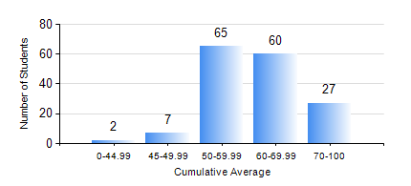
 |  |  | KWAME NKRUMAH UNIVERSITY OF SCIENCE AND TECHNOLOGY, KUMASI Department of Telecommunication Engineering

 |  |  | BSC. TELECOMMUNICATION ENG.

 |  |  | COMPREHENSIVE RECORD OF EXAMINATION RESULTS

 |  |  | RESULTS OF YEAR 2 SECOND SEMESTER, 2022/2023 ACADEMIC YEAR

 | Sn | Course Code |  | Course Name | Credit Hours | Min. Mark | Max. Mark | Avg. Mark | Std. Dev. | No. Passed | No. Trailed | No. (Df) | No. (I) | No. (I*) | No. Tagged(I,I*,Df) | Total
 | 0. |  |  |  |  |  |  | 0 | 0 | 0 | 0 | 0 | 0 | 0 | 0 | 12
 | 1. | ACF 256 |  | FINANCIAL ACCOUNTING II | 2 | 5 | 84 | 58 | 16.47 | 28 | 1 | 0 | 0 | 0 | 0 | 29
 | 2. | ECON 152 |  | INTRODUCTORY ECONOMICS II | 2 | 44 | 89 | 70 | 10.99 | 29 | 0 | 0 | 0 | 0 | 0 | 29
 | 3. | EE 272 |  | DIGITAL SYSTEMS | 3 | 3 | 100 | 53 | 21.05 | 121 | 28 | 0 | 0 | 0 | 0 | 149
 | 4. | EE 288 |  | ELECTRICAL MEASUREMENT AND INSTRUMENTATION | 3 | 5 | 96 | 49 | 17.41 | 128 | 21 | 0 | 0 | 0 | 0 | 149
 | 5. | FC 182 |  | FRENCH FOR COMMUNICATION II | 2 | 0 | 84 | 69 | 11.74 | 89 | 2 | 0 | 0 | 0 | 0 | 91
 | 6. | MATH 252 |  | CALCULUS WITH SEVERAL VARIABLES | 4 | 20 | 85 | 66 | 7.25 | 148 | 1 | 0 | 0 | 0 | 0 | 149
 | 7. | TE 262 |  | ELECTROMAGNETIC FIELDS | 3 | 6 | 98 | 52 | 17.66 | 126 | 23 | 0 | 0 | 0 | 0 | 149
 | 8. | TE 292 |  | TELECOMMUNICATION LAB II | 2 | 60 | 86 | 76 | 5.3 | 146 | 0 | 3 | 0 | 0 | 3 | 149

